01. SCR (Ultimate)
2026 Catastrophe risk sensitivity test

All values to be reported in GBP in units, rounded to nearest thousand. Do not provide figures in millions or thousands.
Losses should be represented as negative values, and profit should be represented as positive values.
The 200-year return-period for the base-run (cell 5A of this table) should be the same as the 99.5th Ultimate in LCR form 310 (cell 2G).

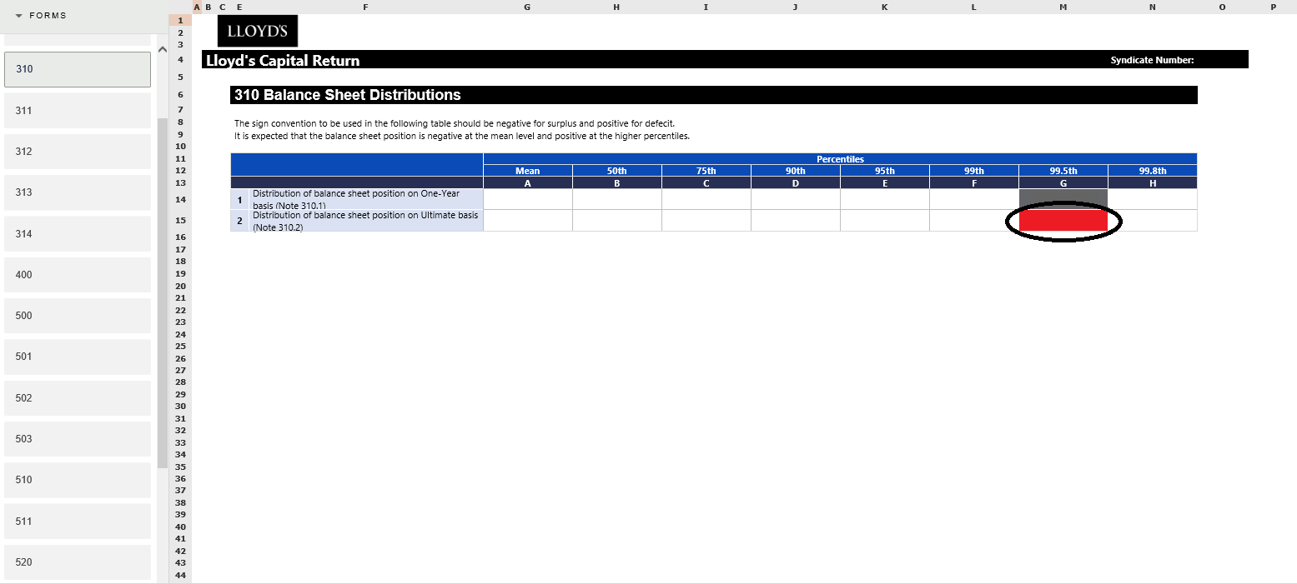
2019
 | Ultimate SCR
 | Metric | Balance sheet distribution (GBP units)
 |  | Base Run | USWS +25% | 'next top' region/peril +25%
 |  | A | B | C
1 | Mean
2 | 10 year return-period
3 | 30 year return-period
4 | 100 year return-period
5 | 200 year return-period
6 | 250 year return-period
7 | 500 year return-period

